1
No | P/N | Manufacturer | Quantity | Location
1 | AL3000-03 | FEIYUE | 1 | Outside the machine body
Photo
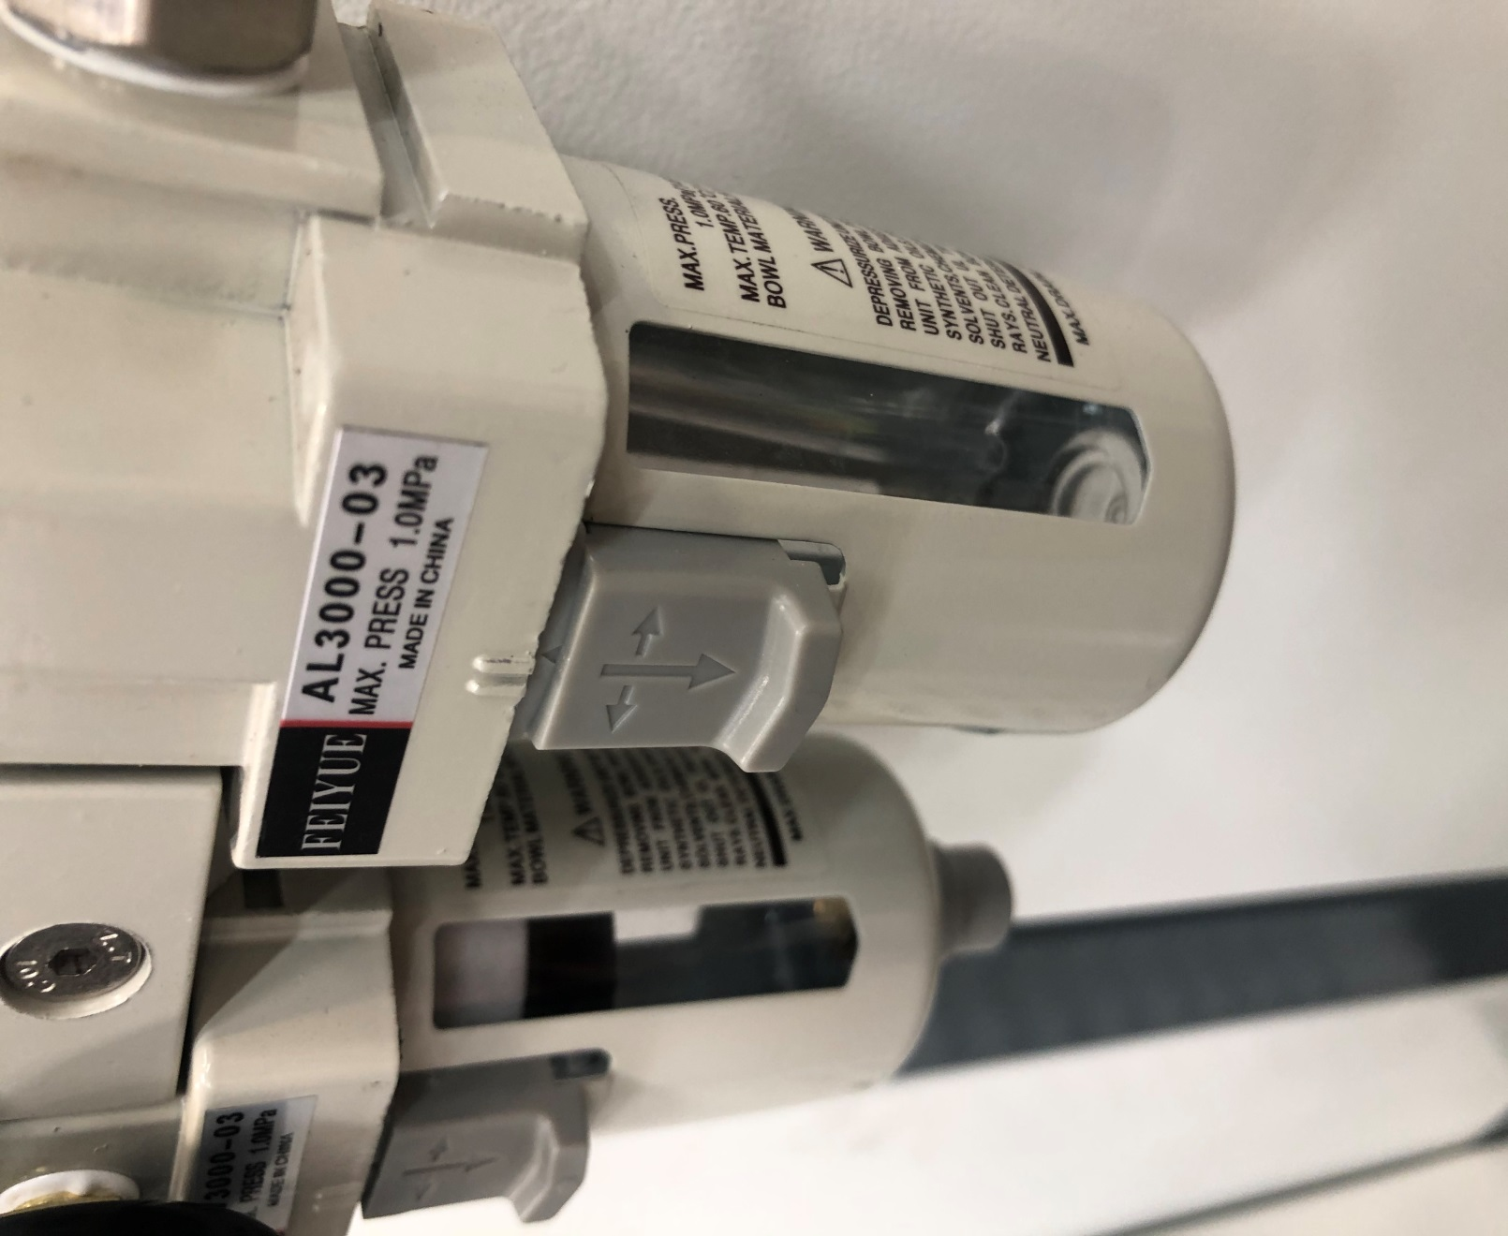

2
No | P/N | Manufacturer | Quantity | Location
2 | TR16X20S | AIRTAC | 2 | Scissor
Photo
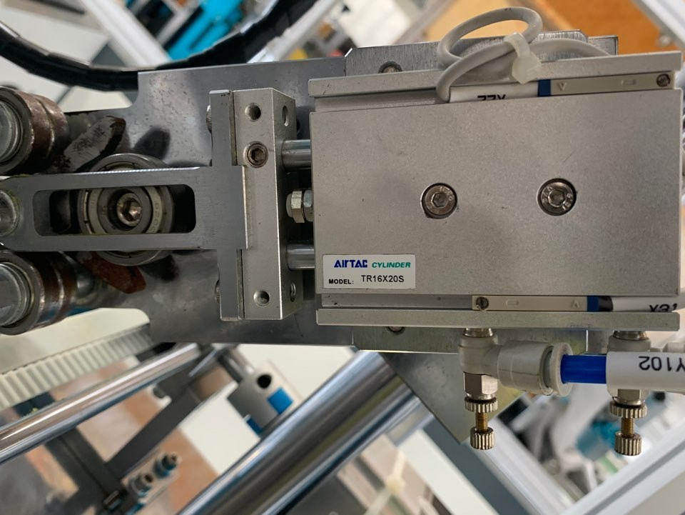

3
No | P/N | Manufacturer | Quantity | Location
3 | M20X100SCA | AIRTAC | 1 | Mask output
Photo
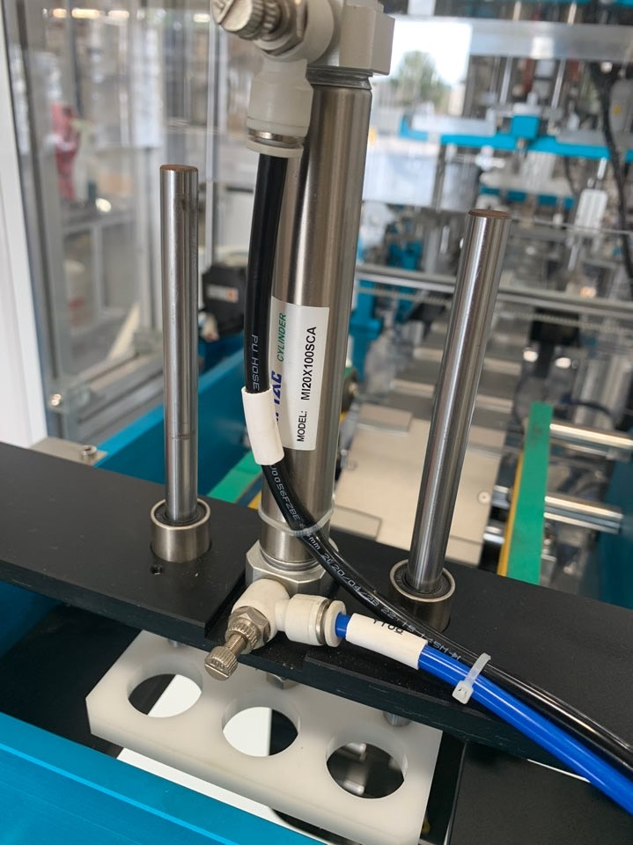

4
No | P/N | Manufacturer | Quantity | Location
4 | SDA16X50SB | AIRTAC | 4 | Inside the machine body
Photo
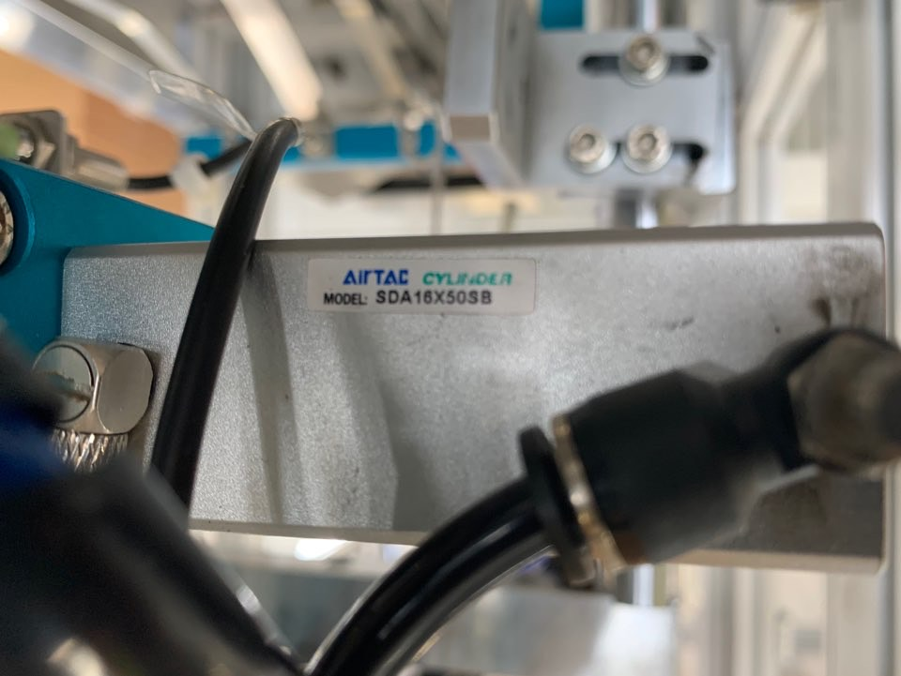

5
No | P/N | Manufacturer | Quantity | Location
5 | MHZ2-10D | HTS | 4 | Inside the machine
Photo
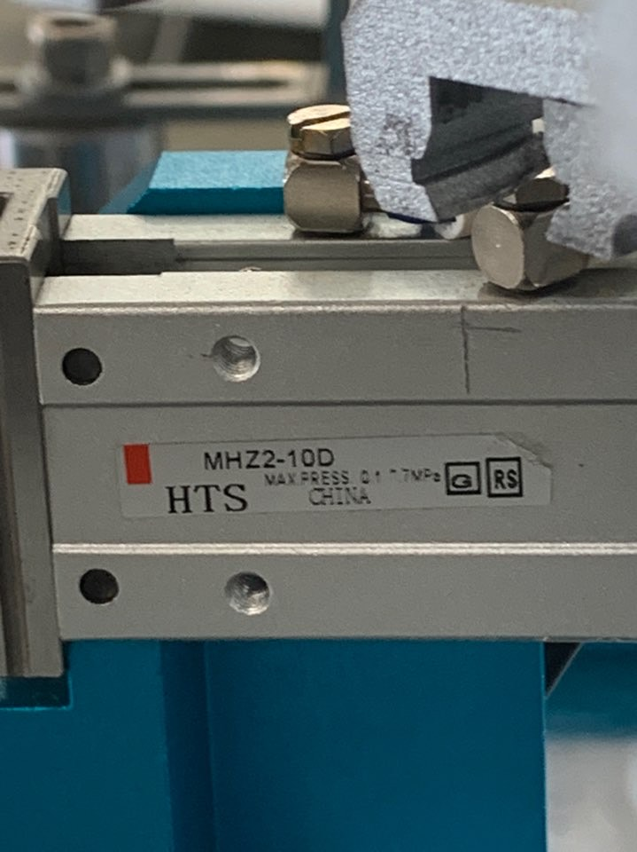

6
No | P/N | Manufacturer | Quantity | Location
6 | HFY10 | AIRTAC | 2 | Inside the machine
Photo
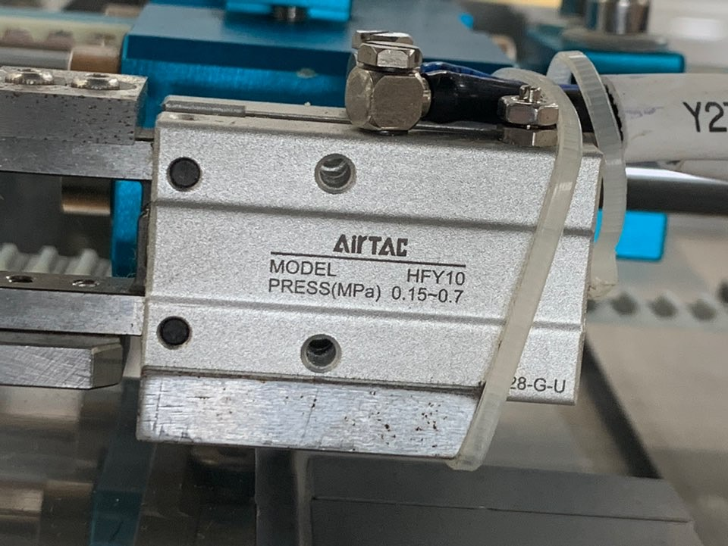

7
No | P/N | Manufacturer | Quantity | Location
7 | HFKL16 | HTS | 4 | Inside the machine
Photo
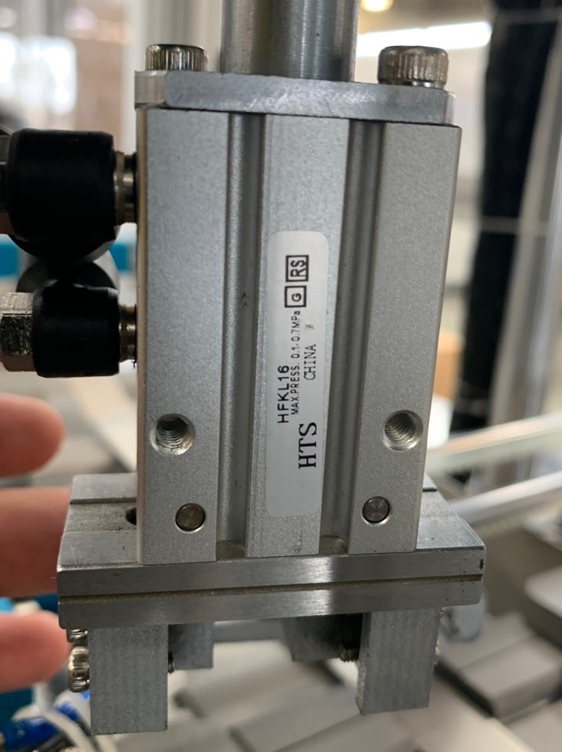

8
No | P/N | Manufacturer | Quantity | Location
8 | 4V210-08 | AIRTAC | 11 | Inside the machine
Photo
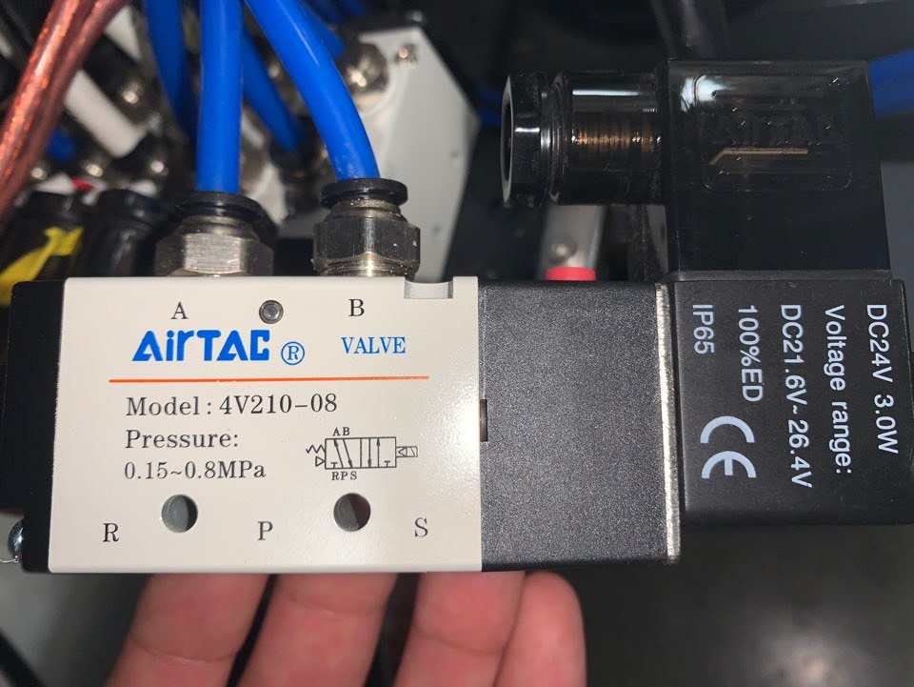 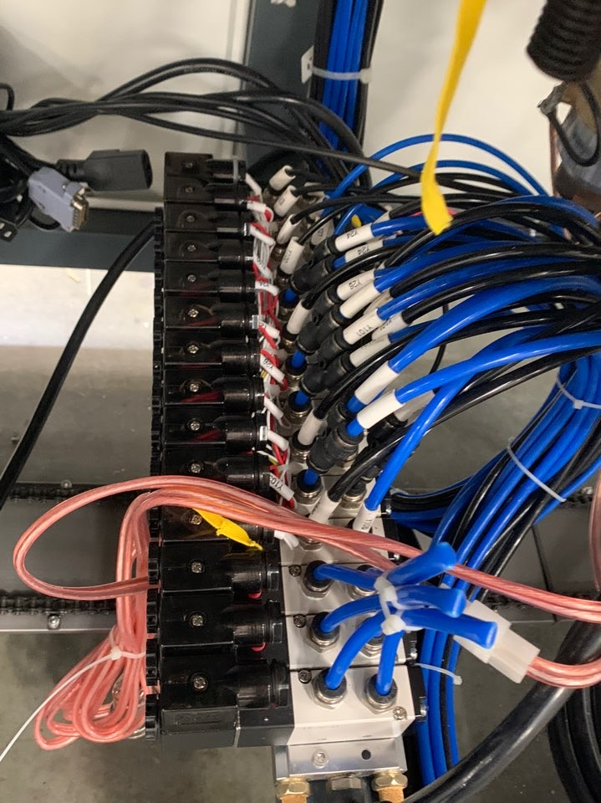

9
No | P/N | Manufacturer | Quantity | Location
9 | - | HTS | 4 | Inside the machine
Photo
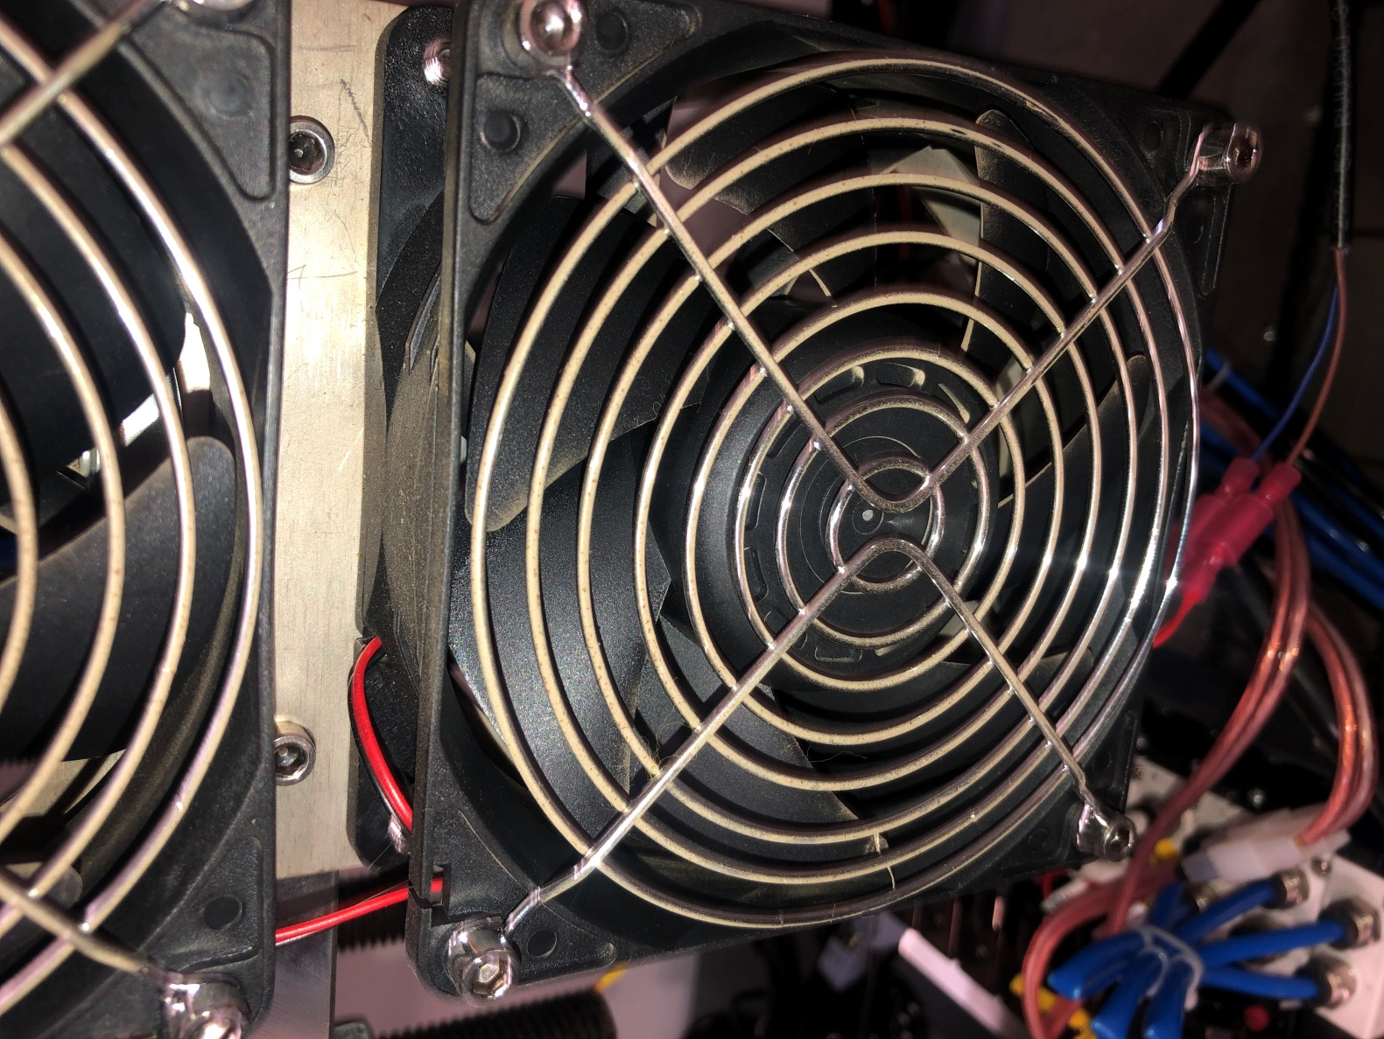

10
No | P/N | Manufacturer | Quantity | Location
10 | - | - | 2 | Inside the machine
Photo
