Pallet 1
Nemak # | Description | Qty
203741 | SPROCKET,GOODYEAR,NRG G-60S-E,1603 | 2
203742 | SPROCKET,GOODYEAR,NRG G-63S-F,1603 | 2
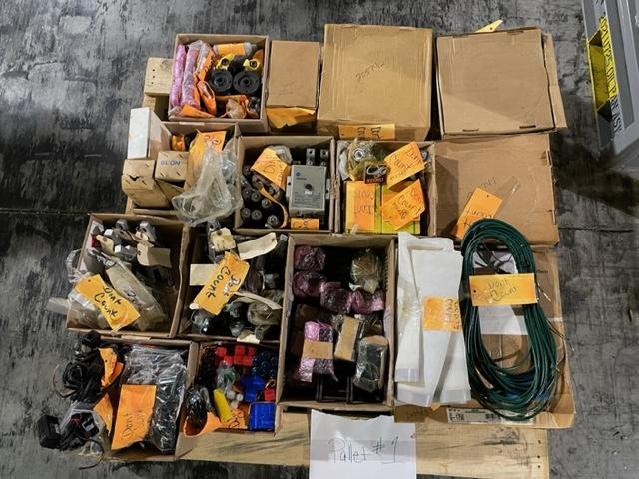
203743 | BELT,G-1750,GOODYEAR,1603 | 2
205133 | BEARING,ZARF35110TV,THRUST,INA,1603 | 2
205207 | Thrust Bearing,INA ZKLN30722RS | 1
205280 | SPROCKET,GOODYEAR,W-112S-SF,1603 | 4
206862 | PCD REAMER,1518100300B6 | 1
217332 | SENSOR,GT2-71P,KEYENCE | 3
221266 | REAMER,1483T6 | 10
221777 | FILTER,570072-700,MAYFRAN | 3
230222 | TURRET,A290-6079-V412#MAS | 21
230648 | CARD,CPU,A20B-3300-0651 | 2
230650 | CARD,SERVO,A20B-3300-0773 | 1
230651 | CARD,FROM,SRAM,A20B-3900-0301 | 2
230653 | POWER SUPPLY,A20B-8200-0680 | 2
235231 | CFADAPTER,A63L-0001-0921,ROBODRILL | 2
235478 | BEARING,A97L-0001-0389,ROBODRILL | 2
237049 | SERVOCARD,A20B-3300-0818 | 2
237655 | Collet,Okuma,614-1525-03 | 2
427742 | SEAL SHAFT,SYSTEMATIX,088500-000-22A-006 | 2
433364 | Sensor,Keyence BL-601 | 1
433370 | Sensor,Keyence DL-RBI | 3
433372 | SENSOR, KEYENCE EX-V01P | 2
433380 | Amplifier, KEYENCE GT-71AP | 7
441372 | Distribution Block,Murr,8000 88060 00000 | 4
441849 | Photo,Eye,SMA30PELC | 2
441851 | Contact,100-D140D11 | 2
443094 | TOOL POT,OKUMA H0190-0070-50-1 Gosiger | 17
444074 | CUTTER,6149,PORT-M12X1.5,142510172146 | 8
444673 | Transformer,C0500E2AFB Cutler Hammer | 1
444756 | Nut,Clamp,Lock,TMAX* | 5
444795 | BEARING,precision ball FAFNR 2MM9101WIDU | 9
444821 | Valve,HYD system stack DGMPS3A111 VICKER | 4
445612 | Flange, Y axis Toyoda PEAK019001A | 3
445614 | Nut,Drawbar,Toyoda PB BB016017C | 1
445615 | Nut,Drawbar,Toyoda PA BB22201F | 1
445988 | Cable,Toyoda PU-DC008054C | 2
531187 | Cognex,Window Lens Pack for Checker | 1
539757 | REAMER,16232035T1156 | 4
541185 | MLC-5K,Load Cell,Compression only | 3
541397 | ENDMILL,E002752A,16232037T1174 | 2
541431 | DRILL,PD02622A,16233008B1051 | 18
541432 | VALVE,SEQUENCE 70-4400-02 | 7
541673 | ROTARY,MANIFOLD,32-6246-01 | 2
541674 | VALVE,PRESSURE REDUCING,70-5410-10 | 8
543105 | Amplifier,Laser,NPN,Expansion,LV22A | 18
543252 | Switch,Micro,BK,BK5SC | 1
543295 | Amplifier,Photoelectric,PXH71G* | 4
555734 | Relay,Guard Master,110v 1219 440RC23018 | 1
O451440 | Clamp,Swing Vektek 15-2213 01R 45 | 2
O555760 | Clamp,Swing,Left Hand VEKTEK 15220901LH | 4
O539880 | COLLAR,ADJUST,Y AXIS PEAC019001B 01 | 1

Pallet 2
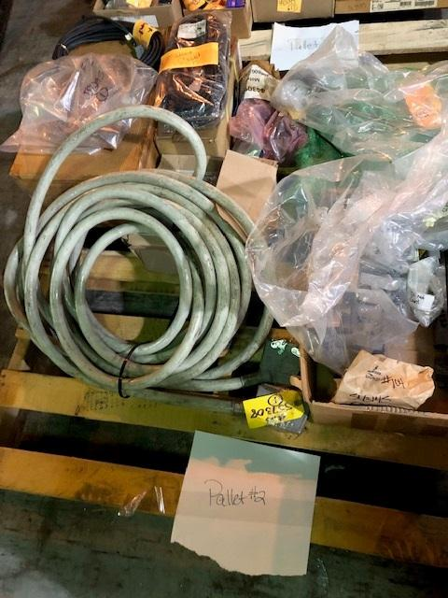
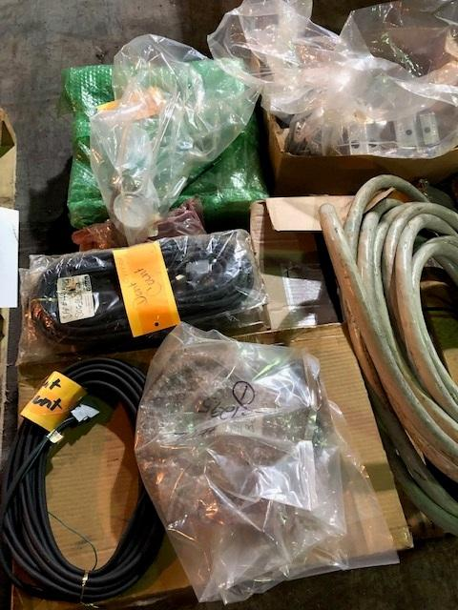
Nemak # | Description | Qty
196695 | Pallet Posistioning Plate,3842 504 867 | 2
218147 | Custom Mold Cascade 1/2 E121H-4 | 32
315417 | Ejctr Retainer Blck Algn Bar 16782000002 | 9
315522 | Ejector Insert 1678-2001-011 | 1
334854 | Power Supply AB 24VDC INPT 1769-PB4 | 1
402794 | Slide Gib,16993000-021 | 1
402800 | Slide Gibb,1699 3000-022 | 1
402822 | Slide Gibb,1699 5000-023 | 1
433274 | Cable,Signal HRS PU DC405001A | 1
443087 | MOTOR,SERVO,FANUC,A06-B0075-B503(RP) | 1
443093 | Motor, A06B0032B175 (RP) 4700230984 | 1
443729 | WAYCOVER,CONTROLSIDE,ZAXIS,PAAG006004C | 1
444901 | Cable,Scale 12M Toyoda | 2
531160 | Switch,Keyed,Spring,Return,R&L,800TJ631 | 5
543145 | Sensor,Reflective,LED,Red,PS49 | 1
550216 | Thermostat for DCM,330694 | 2
557295 | Cable,Motor,AX 3,ABB 3HAB87371 | 1
O402803 | Slide Lock,1699 5000-010 | 1
O402844 | Pullback adpater,1699 2500-060 | 4
O557308 | Cable, Power, 15m 6400 | 1

Pallet 3
Nemak # | Description | Qty
162761 | MOTOR,184TC,MODEL#R558,MARATHON | 2
443074 | Motor,Servo,A06B0265B100,(RP) | 1
443088 | MOTOR,SERVO,FANUC,A06-B0078-B303(RP) | 1
443091 | Motor,FANUC X AXIS A06B0268B100 (RP) | 1
444876 | WINDOW,DOOR,OPR,GLASS PGCA019018A | 2

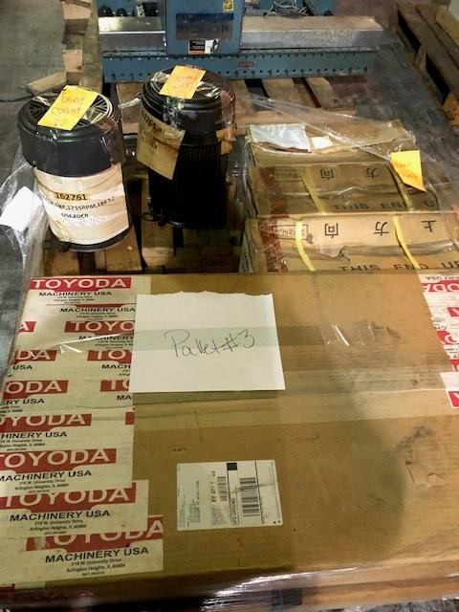

Pallet 4
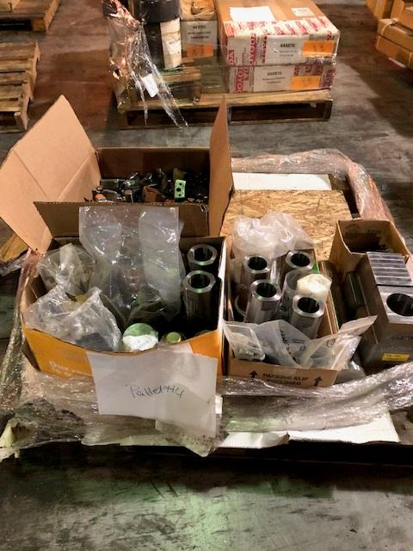
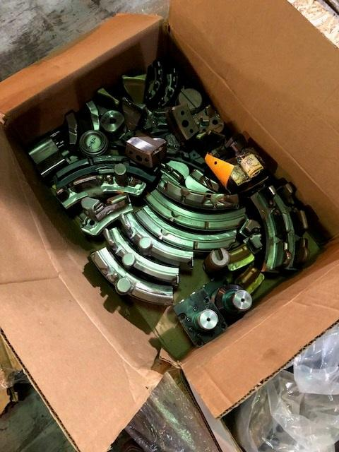
Nemak # | Description | Qty
223446 | Adapter,Cylinder 6.5x3.625 | 2
236628 | Sqeeze Pin Retainer 1603-C-1100-001 | 1
238980 | Punch, Trim Die 1603-9001-21 | 2
238992 | Punch, Trim Die 1603-9001-22 | 2
314859 | Bottom Slide Insert 1678-6001-002 | 1
315401 | Operator Slide Coupler 1678-3000-071 | 2
315446 | Top Slide Coupler 1678-4000-071 | 2
315447 | Ejector Glide Block 1678-2000-003 | 4
315481 | Cover Insert 1678-1001-005 | 1
315482 | Cover Insert 1678-1001-006 | 1
315483 | Cover Insert 1678-1001-007 | 1
315484 | Cover Insert 1678-1001-008 | 1
315486 | Cover Insert 1678-1001-010 | 1
315488 | Cover Insert 1678-1001-013 | 1
315489 | Cover Insert 1678-1001-014 | 1
315500 | Cover Insert 1678-1001-026 | 1
315501 | Cover Insert 1678-1001-027 | 1
315515 | Ejector Insert 1678-2001-004 | 1
315518 | Ejector Insert 1678-2001-007 | 1
315521 | Ejector Insert 1678-2001-010 | 1
315526 | Ejector Insert 1678-2001-015 | 1
326893 | Adptr,Cylinder Ejctr SubCore 16032100071 | 1
402786 | Ret. Pin Leader 1699 1000-050 | 1
402787 | Ret. Pin Leader(Block) 1699 1000-062 | 1
402788 | Ret. Pin Leader(Block)16991000-063 | 1
437244 | CLAMP,9049580240000,C-32,1603 | 2
314857 | Bottom Slide Coupler 1678-6000-071 | 2
314892 | Top Slide Component 1678-5000-071 | 2
315481 | Cover Insert 1678-1001-005 | 1
315482 | Cover Insert 1678-1001-006 | 1
315491 | Cover Insert 1678-1001-016 | 1
315517 | Ejector Insert 1678-2001-006 | 1
315522 | Ejector Insert 1678-2001-011 | 1
413475 | Subslide Retainer.R01,1603-2100-002 | 1
531079 | ADAPTER,COMMUNICATION,11450-271,RIMROCK | 3
531221 | Clamp,Swing,Double Action,Lower Flange | 1
531524 | Core Sleeve,1/2x8 S39M8 | 16
531703 | Sub-Insert,Ejector 1603C2001-009 | 1
534804 | Clamp,Swing,Cylinder 4200lbs,RH,SURD201 | 1
531636 | Cover Insert 1524C0011027 | 2
531638 | Cover Insert 1524C0011036 | 2
531627 | Cover insert 1524C0011059 | 2
531646 | Cover plug bore insert 1524C0011053 | 2
531647 | Cover Insert 1524C0011056 | 2
531649 | Ejector Insert 1524C002150050 | 2
531632 | Cover Insert 1524C0011008 | 2
531634 | Cover Insert 1524C0011010 | 2
531637 | Cover Insert 1524C0011033 | 2
531635 | Cover Insert 1524C0011026 | 2
531640 | Cover Insert 1524C0011041 | 2
531639 | Cover Insert 1524C0011040 | 2
531645 | Cover Insert 1524C0011046 | 2
531644 | Cover Insert 1524C0011045 | 2
531642 | Cover Insert 1524C0011043 | 1
531641 | Cover Insert 1524C0011042 | 3
531643 | Cover Insert 1524C0011044 | 2
531657 | Metal Saver 0856C0010205 | 2
531656 | Ejector Insert 1524C002150330 | 2
531653 | Ejector Insert 1524C002150230 | 2
531651 | Ejector Insert 1524C002150200 | 2
531654 | Ejector Insert 1524C002150260 | 2

Pallet 5
Nemak # | Description | Qty
 | Setco Ballscrew HIWIN S13043H-1-002 | 1

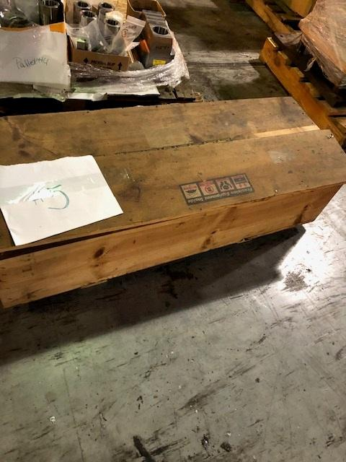

Pallet 6
Nemak # | Description | Qty
 | Chiller MAC 110BSCT-FR-0200 | 1
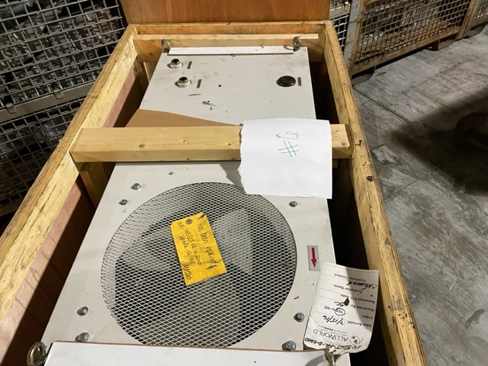
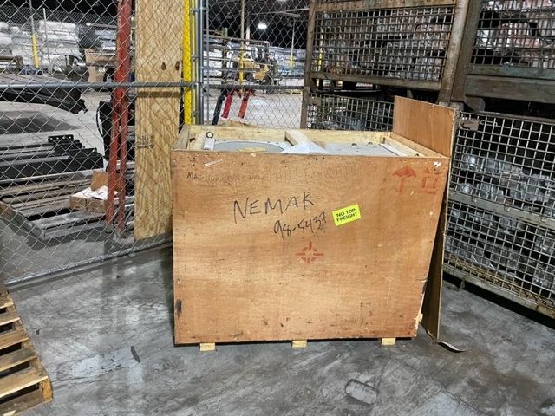

Pallet 7
Nemak # | Description | Qty
 | Chiller MAC110SPC-FR-OT | 1
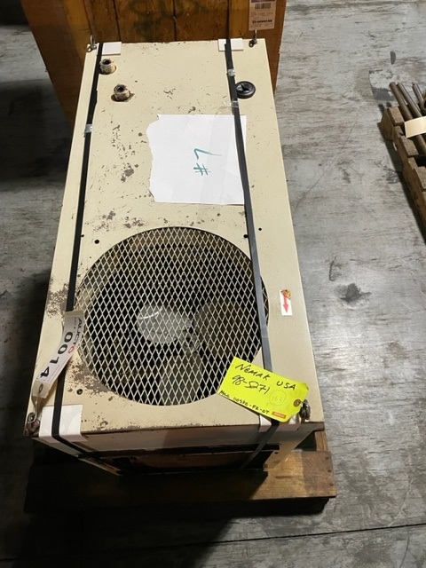

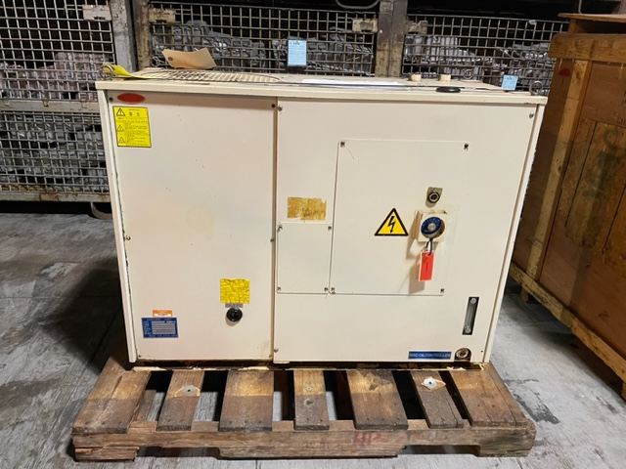

Pallet 8
Nemak # | Description | Qty
 | Okuma Tool Arm Changer KU1200-614-009R | 1
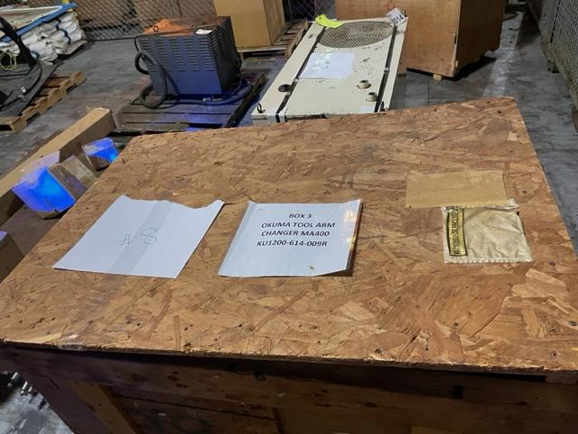
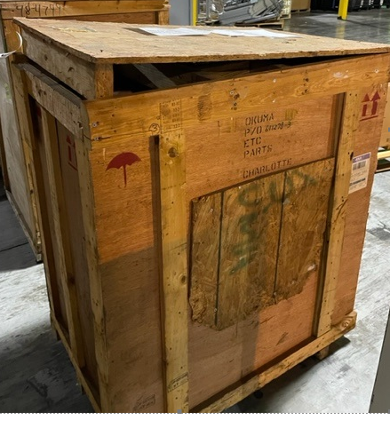

Pallet 9
Nemak # | Description | Qty
 | Daiken Chiller Unit AKOZ4382 98-4799 | 1

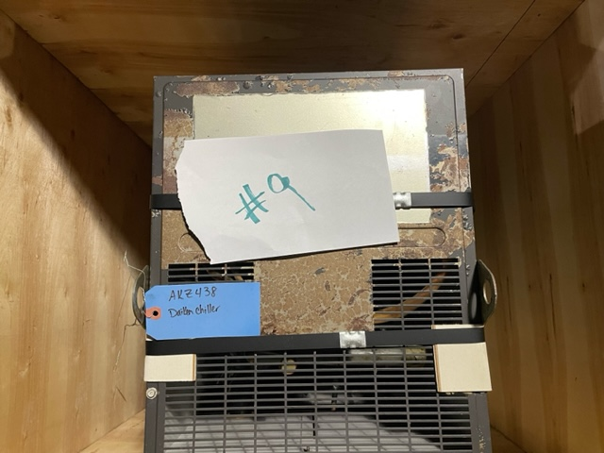
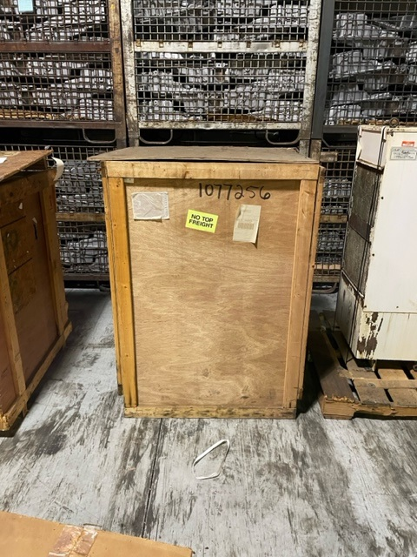

Pallet 10
Nemak # | Description | Qty
 | 060-OKM-MA400H-B1 | 1

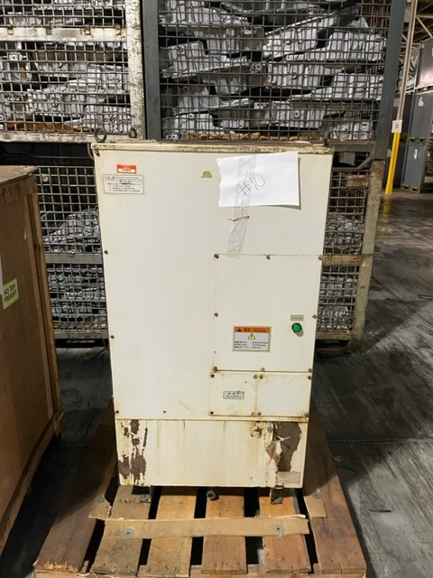

Pallet 11
Nemak # | Description | Qty
 | Chiller Unit C1500B-6C-Z | 1

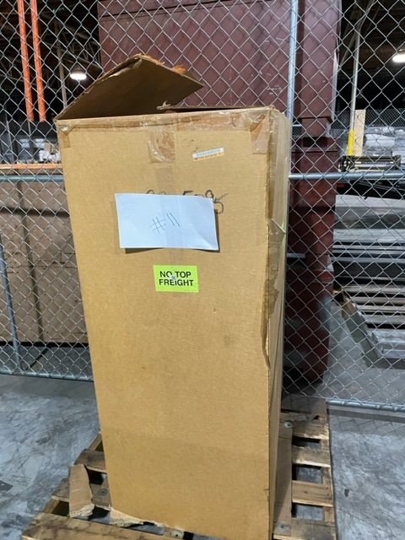
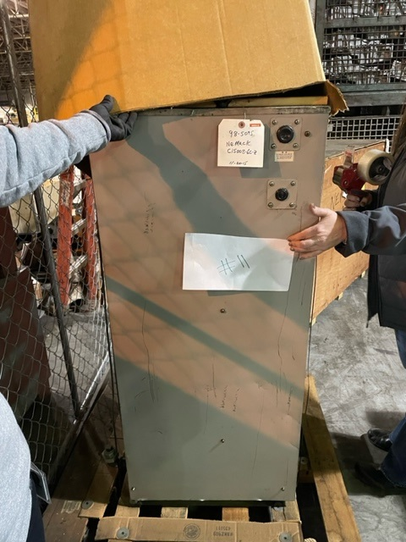

Pallet 12
Nemak # | Description | Qty
 | Transformer | 1

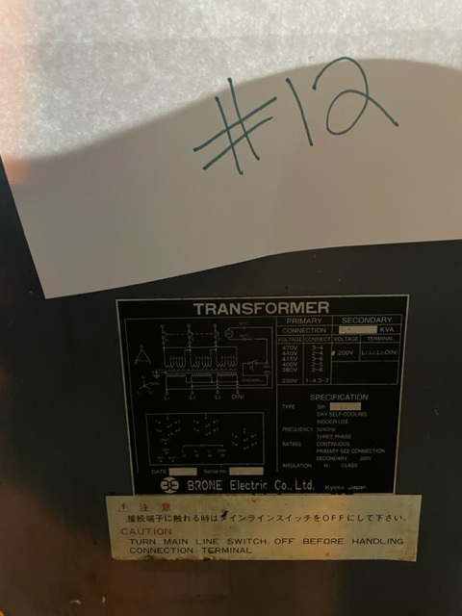

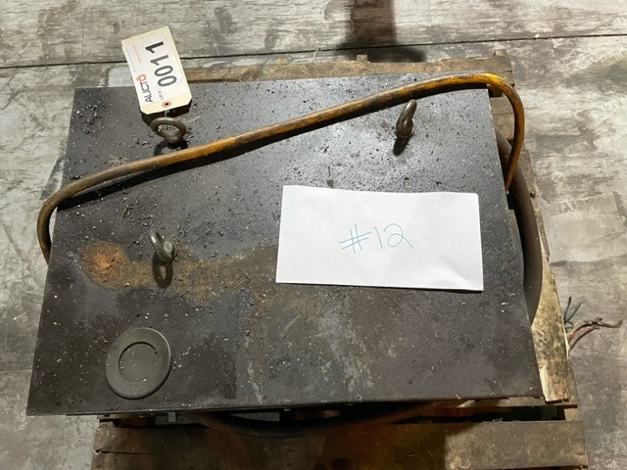

Pallet 13
Nemak # | Description | Qty
 | Assorted Pallet

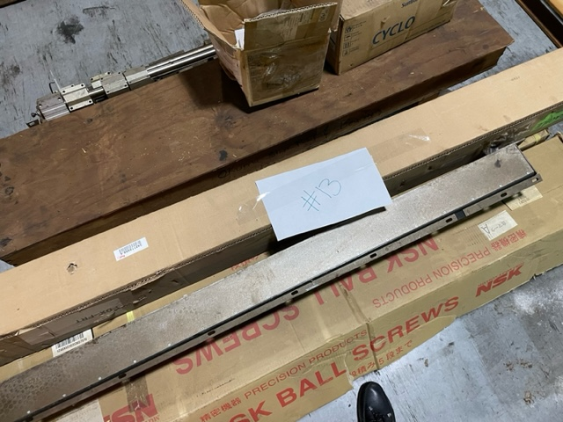
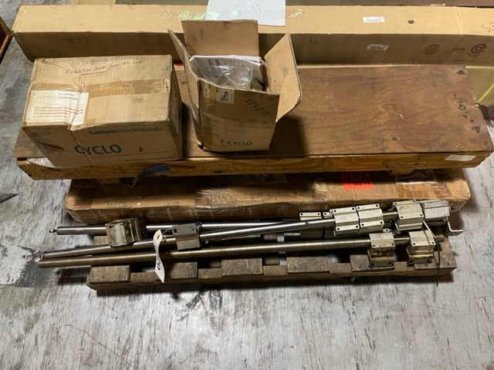

Pallet 14
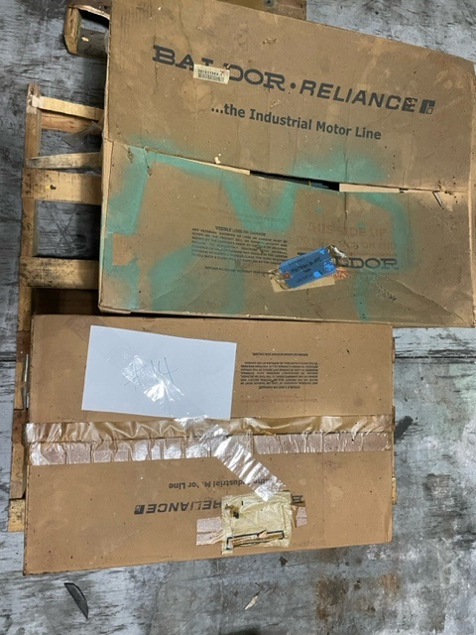
Nemak # | Description | Qty
206593 | MOTOR,VCP3770T,BALDOR,1623-ST5,213 TC | 1 | #REF!
205214 | MOTOR,ECP2333T,BALDOR,254T,230/460 V,3P | 1 | #REF!

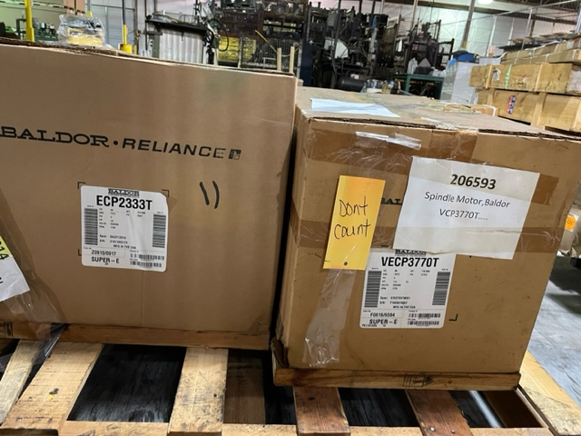

Pallet 15
Nemak # | Description | Qty
 | Daiken Chiller AKZ438 | 1

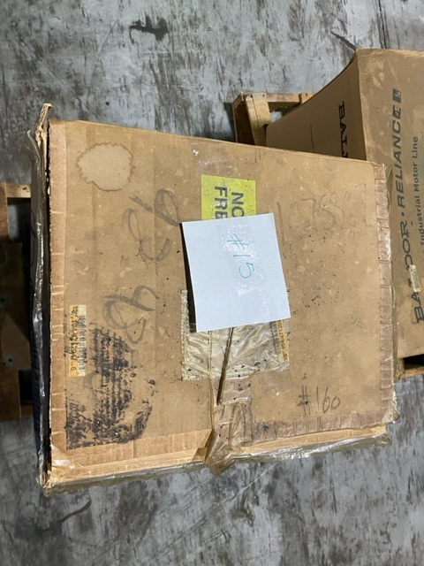
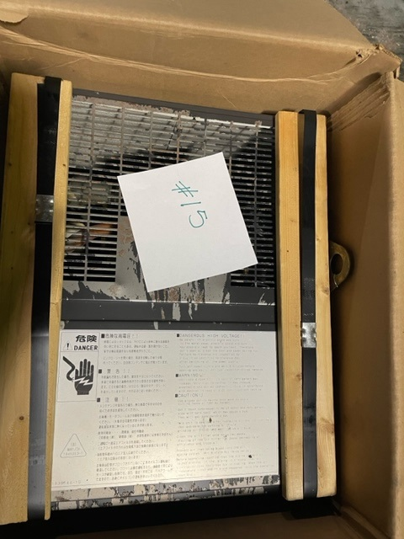

Pallet 16
Nemak # | Description | Qty
 | CNC Doors

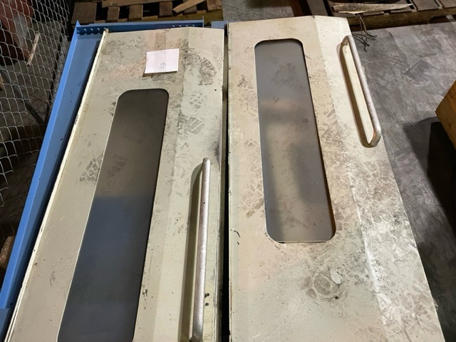
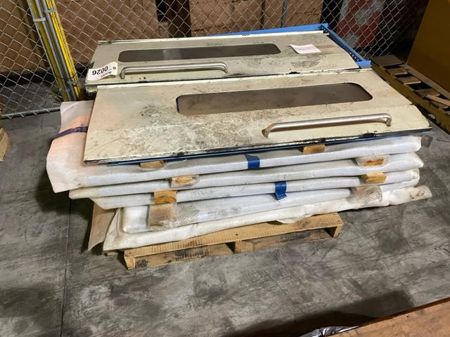

Pallet 17
Nemak # | Description | Qty
 | Daiken Oil Cooling Unit AKZ439 | 1
 | Daiken Inverter | 1

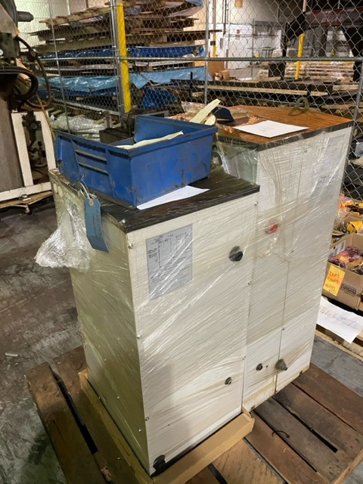

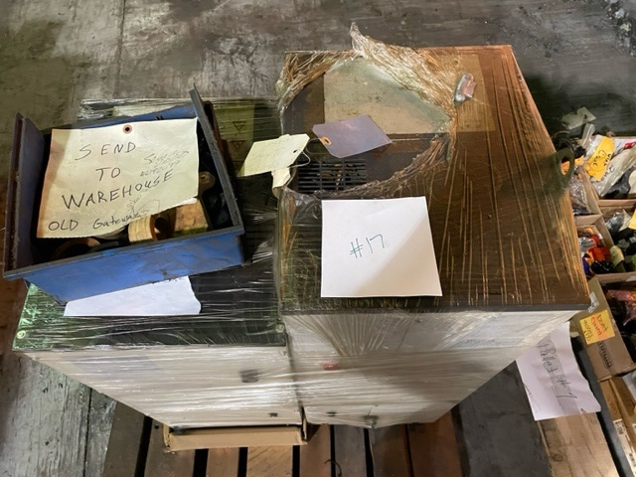

Pallet 18
Nemak # | Description | Qty
 | Assorted Roller Guides and Ballscrews
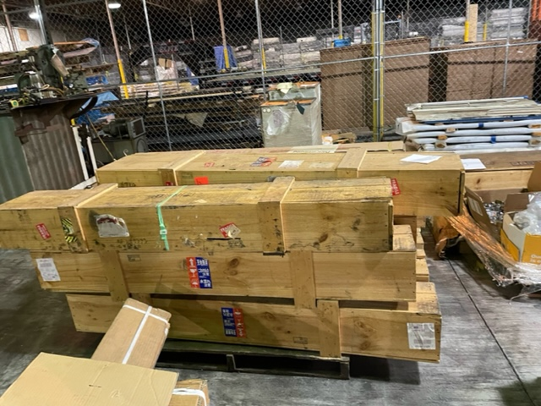
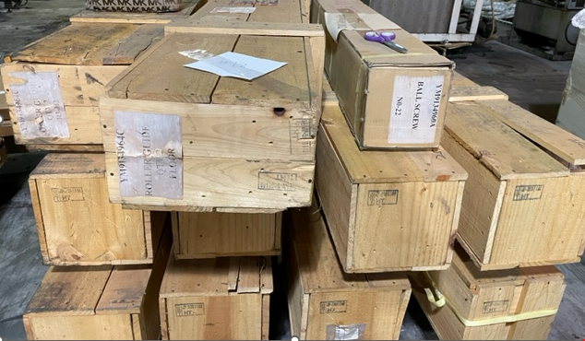

Pallet 19
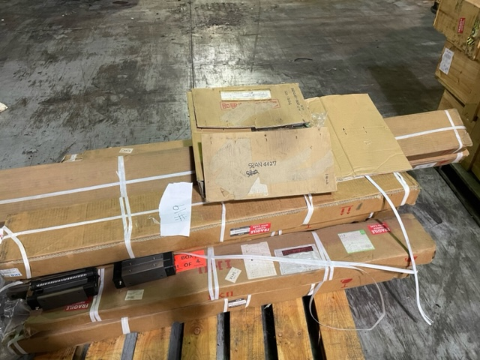
Nemak # | Description | Qty
 | Assorted Linear Guides
